FF55 policy levers & vessel
Main policy tools |  | Selecation of the vessel |  | NOTE! Policy levers can be adjusted via the yellow highlighted fields to the left. Model will re-calculate the results accordingly. Red squared cells in other sheets can also be modified/new data added. Model will then automatically re-do the calculations.

14% | Overall 2030 FuelEU Maritime GHG reduction target vis-à-vis 2020 | TAURUS | Choose vessel name from the list

6% | FuelEU Maritime RFNBO sub-quota (% of total fuel)
 |  |  | Vessel data
80 € | ETS CO2 price (€/WtW tonne CO2e) | Ship IMO number | 9728942
 |  | Vessel name | TAURUS
 |  | ship_class | Container
 |  | ship_capacity bin | 12,000-14,499
 |  | ship nominal capacity (TEU) | 14,354
NOTE | |  | TEU Load factor (from MRV) | 70%
The geographical scope of EU Maritime ETS is as follows: |  | Real-world TEU carriage/voyage | 10,048
 | 100% of at berth emissions in EU ports | data_status | T&E SEA model
 | 100% of emissions on intra-EU voyages | Origin (departure country) | Sri Lanka
 | 50% of emissions on inbound extra-EU voyages (last leg only) | Origin (departure port) | Colombo
 | 50% of emissions on outbound extra-EU voyages (first leg only) | Destination (arrival country) | Belgium
 |  | Destination (arrival port) | Antwerp
The geographical scope of the FuelEU Maritime is is as follows: |  | SOG [SEA] (knots) | 16.639388765
 | 100% at berth fuel consumption in EU ports | Distance at SEA (nautical miles) | 6822.1493935
 | 100% of fuel consumption on intra-EU voyages | Time at SEA (days) | 17.083333333
 | 50% of fuel consumption on inbound and outbound extra-EU voyages (first and last legs only) | Primary fuel | HFO 2.6%/MDO
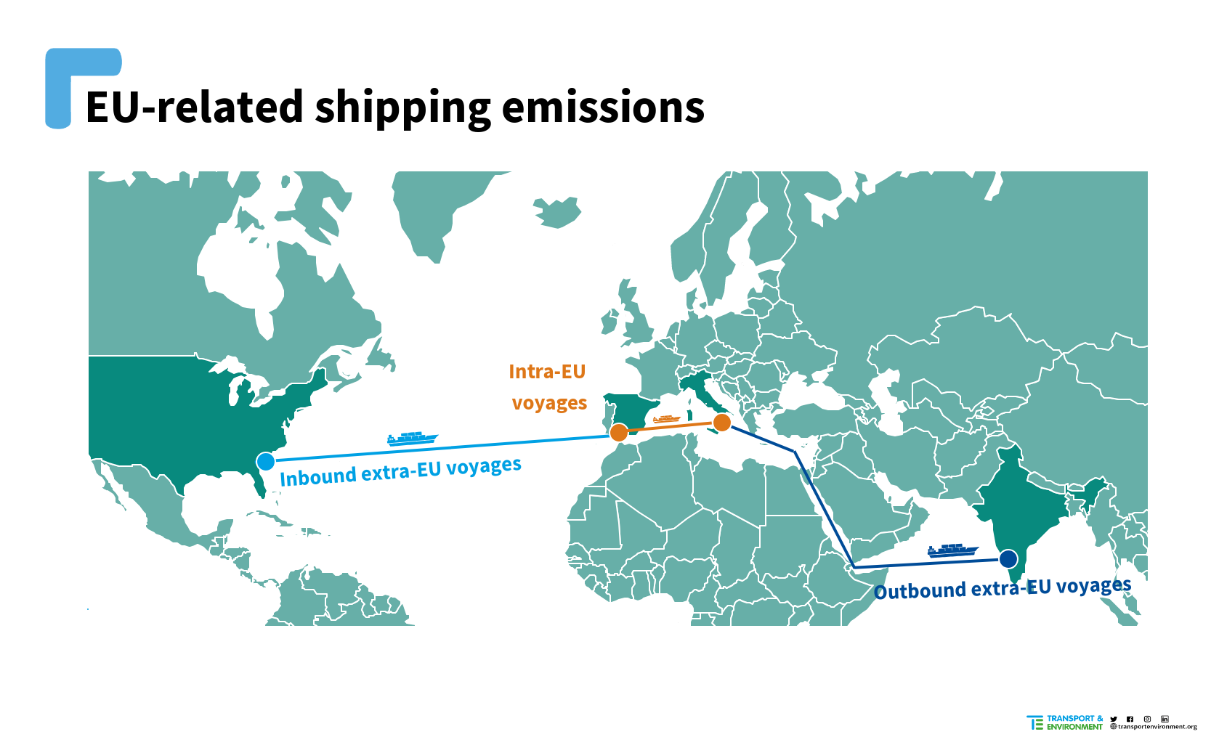
 |  | Fuel Consumption at sea (tonnes/voyage) | 1,793
 |  | Energy use at sea (MJ/voyage) | 73,494,520
 |  | CO2 Emissions at sea (TtW tonnes/voyage) | 5,591
 |  | Shipping corridor | East Asia - Northern Europe
 |  | Average freight rates in 2020 €/TEU) | 786

